2026 KUL FIT
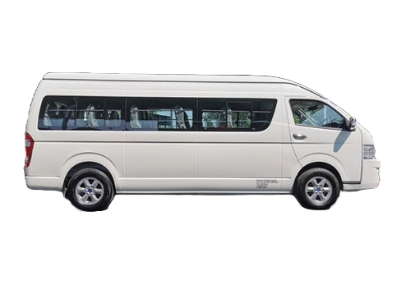
 | ROUTES | 2 - 3 PAX | 4 - 7 PAX | 8-12 PAX
KLIA - KUL/GEN/MELAKA/JOHOR/IPOH/PENANG/PORT KLANG |  |  |  |  | U2 OWN FLEET
 | KLIA - KUL HOTEL | USD35.00 | USD60.00 | USD75.00 |  | 18 SEATER
 | KLIA - GEN HOTEL | USD75.00 | USD115.00 | USD150.00 |  | MAX CAPACITY:
 | KLIA - MELAKA | USD115.00 | USD140.00 | USD170.00 |  | 17 PAX WITHOUT LUGGAGE
 | KLIA - JOHOR BAHRU | USD220.00 | USD300.00 |  |  | 10 PAX WITH LUGGAGE
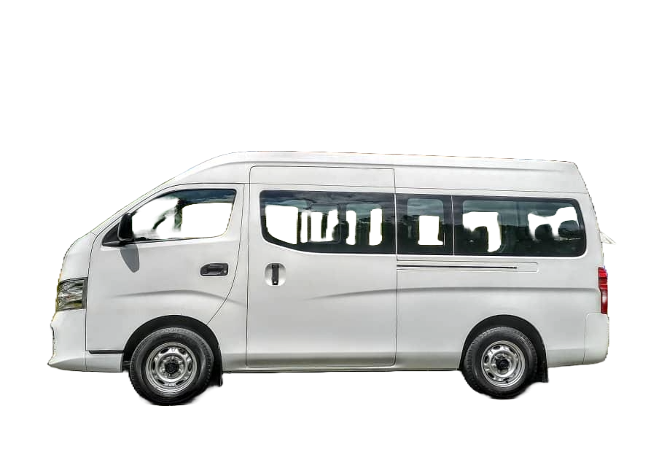
 | KLIA - SINGAPORE | USD320.00 | USD350.00
 | KLIA - PORT DICKSON HOTEL | USD65.00 | USD90.00 | USD115.00
 | KLIA - IPOH | USD140.00 | USD180.00 | USD215.00
 | KLIA - PENANG | USD215.00 | USD240.00 |  |  | 10 SEATER
 | KLIA - PUTRJAYA - KUL HOTEL | USD50.00 | USD70.00 | USD100.00 |  | MAX CAPACITY
 | KLIA - PUTRJAYA - GEN HOTEL | USD90.00 | USD135.00 | USD160.00 |  | 10 PAX WITHOUT LUGGAGE
 | KLIA - BT CAVES - GEN HOTEL |  | USD135.00 | USD160.00 |  | 7 PAX WITH LUGGAGE
 | KLIA - PORT KLANG CRUISE TERMINAL | USD65.00 | USD80.00 | USD90.00
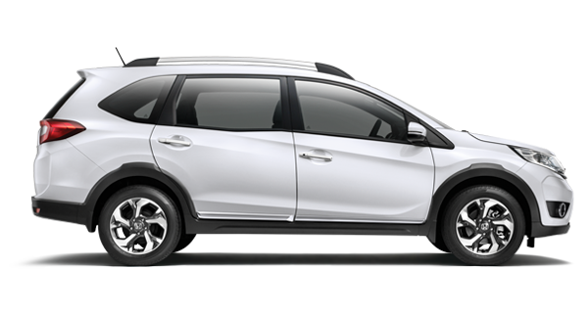
 | KLIA - PUTRAJAYA - PORT KLANG CRUISE TERMINAL |  | USD90.00 | USD110.00
 | PORT KLANG CRUISE TERMINAL - GEN HOTEL | USD75.00 | USD100.00 |  |  | MPV/SEDAN
 | PORT KLANG CRUISE TERMINAL - BT CAVES - GEN HOTEL | USD80.00 | USD100.00 |  |  | MAX CAPACITY
SHORT TRANSFER WITHIN KUALA LUMPUR AREA |  |  |  |  |  | 2-6 PAX WITHOUT LUGGAGE
 | KUL HOTEL - BT CAVES 3 HOURS | USD50.00 | USD65.00 | USD80.00 |  | 2-3 PAX WITH LUGGAGE
 | KUL HOTEL - SUNWAY LAGOON 2 WAY | USD40.00 | USD60.00 | USD80.00
 | KUL HOTEL - I CITY SHAH ALAM 6 HOURS | USD80.00 | USD110.00 | USD115.00
 | KUL HOTEL - BERJAYA TIMES SQUARE COACH STATION | USD25.00 | USD45.00
 | KUL HOTEL - TBS COACH STATION
 | KUL HOTEL - SUBANG AIRPORT [SZB] | USD30.00 | USD35.00 | USD50.00
 | KUL HOTEL - MELAKA HOTEL | USD115.00 | USD175.00 | USD205.00
 | KUL HOTEL - LEGOLAND HOTEL | USD165.00 | USD280.00 | USD310.00
 | KUL HOTEL - CAMERON HOTEL | USD165.00 | USD280.00 | USD310.00
 | KUL HOTEL - GENTING HOTEL | USD40.00 | USD80.00 | USD100.00
 | KUL HOTEL - B.CAVES - GENTING HOTEL | USD50.00 | USD100.00 | USD115.00
KUL/GEN/MELAKA TOURS
 | HALF DAY KUL CITY TOUR 3.5 HOURS | USD40.00 | USD55.00 | USD80.00
 | HALF DAY COUNTRY TOUR 3.5 HOURS
 | HALF DAY PUTRAJAYA TOUR 3.5 HOURS
 | FULLDAY KUL CITY TOUR 8 HOURS | USD85.00 | USD125.00 | USD160.00
 | FULLDAY GENTING TOUR 8 HOURS | USD85.00 | USD160.00 | USD190.00
 | FULLDAY MELAKA TOUR 8 HOURS | USD160.00 | USD240.00 | USD280.00
 | DINNER TRANSFER [2 WAY] MAX 3 HOURS | USD40.00 | USD40.00 | USD55.00
 | FIREFLY TOUR | USD115.00 | USD140.00 | USD170.00
 | FULLDAY AT DISPOSAL 8 HOUR | USD90.00 | USD145.00 | USD205.00
OVERLAND TOURS
 | PENANG 1-DAY TOUR WITH MIN 2 NIGHT STAY | USD215.00 | USD240.00 | USD280.00
 | JOHOR LEGOLAND DAY TOUR | USD215.00 | USD240.00
 | IPOH DAY TOUR | USD165.00 | USD190.00 | USD215.00
 | CAMERON HIGHLAND DAY TOUR | USD205.00 | USD330.00 | USD380.00

 | ADDITIONAL HOUR WAITING CHARGES RM/HOUR | USD15.00 | USD20.00 | USD25.00
 | 50% SURCHARGE FOR MIDNIGHT TRANSFER [11PM - 6AM]

 | Rate Inclusive Of;
 | Driver, toll & fuel fee

 | Excludes Of;
 | Accommodation for Overland Transfer & 50% Midnight Surcharge

 | Guide Exemption Letter [For Malaysian Only]
 | RM 100.00 For Form Registration

2026 COACH KUL
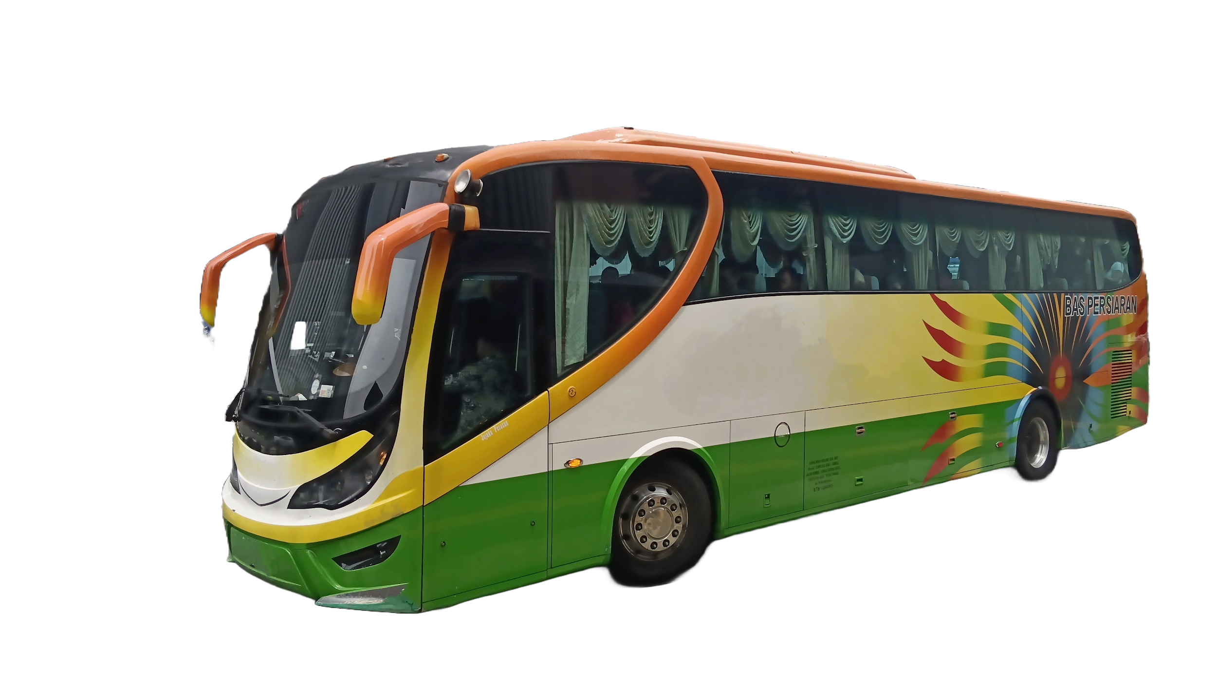
 | ROUTES | 13-44 PAX | TIPPING
KLIA - KUL/GEN/MELAKA/JOHOR/IPOH/PENANG/PORT KLANG |  |  |  | U2 OWN FLEET
 | KLIA - KUL HOTEL | USD200.00 | USD7.00
 | KLIA - FULL DAY KUL + DINNER - KUL HOTEL (12 HRS) | USD320.00 | USD7.00
 | KLIA - GEN HOTEL [SKYWAY AWANA CABLE CAR STATION] | USD390.00 | USD7.00
 | KLIA - GEN HOTEL [FIRST WORLD/RESORT WORLD/GRAND ION DELEMEN | USD300.00 | USD7.00
COACH WILL ONLY DROP GUEST AT SKYWAY AWANA CABLE CAR STATION EXCEPT GRAND ION DELEMEN BOOKING
 | KLIA - MELAKA | USD340.00 | USD12.00 |  | 44 Seater
 | KLIA - JOHOR BAHRU | USD380.00 | USD12.00
 | KLIA/KL - LUNCH AT JB - SIN HOTEL | USD550.00 | USD12.00
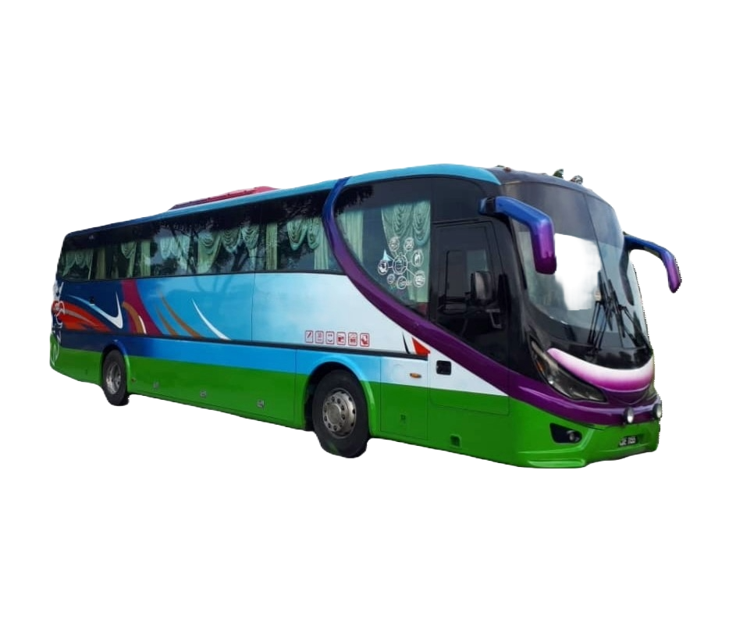
 | KLIA - SINGAPORE | USD510 | USD12.00
 | KLIA - IPOH | USD340.00 | USD12.00
 | KLIA - PENANG | USD600.00 | USD12.00
 | KUL - PENANG | USD490.00 | USD12.00
 | KLIA - PUTRJAYA - KUL HOTEL | USD320.00 | USD7.00
 | KLIA - PUTRJAYA - GEN HOTEL | USD400.00 | USD7.00
 | KLIA - BT CAVES - GEN HOTEL |  | USD7.00 |  | 44 Seater
 | KLIA - FULL DAY USAGE - GEN HOTEL [SKYWAY AWANA CABLE CAR STATION] | USD450.00 | USD7.00
 | KLIA - PORT KLANG CRUISE TERMINAL | USD250.00 | USD7.00
 | KLIA - PUTRAJAYA - PORT KLANG CRUISE TERMINAL | USD250.00 | USD7.00
 | PORT KLANG CRUISE TERMINAL - GEN HOTEL | USD300.00 | USD7.00
 | PORT KLANG CRUISE TERMINAL - BT CAVES - GEN HOTEL | USD315.00 | USD7.00
SHORT TRANSFER WITHIN KUALA LUMPUR AREA
 | KUL HOTEL - SUNWAY LAGOON 2 WAY + DINNER [12 HOURS] | USD310.00 | USD7.00
 | KUL HOTEL - I CITY SHAH ALAM + DINNER [12 HOURS] | USD310.00 | USD7.00
 | KUL HOTEL - BERJAYA TIMES SQUARE COACH STATION | USD115.00 | USD7.00
 | KUL HOTEL - TBS COACH STATION |  | USD7.00
 | KUL HOTEL - SUBANG AIRPORT [SZB] |  | USD7.00
 | KUL HOTEL - GENTING SKYWAY AWANA CABLE CAR STATION | USD360.00 | USD7.00
 | KUL HOTEL - GENTING HOTEL [FW/RW/GRAND ION DELEMEN] | USD400.00 | USD7.00
 | KUL HOTEL - B.CAVES - GENTING HOTEL | USD400.00 | USD7.00
KUL/GEN/MELAKA TOURS
 | FULLDAY KUL CITY TOUR + DINNER [12 HOURS] | USD310.00 | USD7.00
 | FULLDAY GENTING TOUR + DINNER [12 HOURS] | USD330.00 | USD7.00
 | FULLDAY MELAKA TOUR + DINNER [12 HOURS] | USD500.00 | USD12.00
OVERLAND TOURS
 | PENANG 1-DAY TOUR WITH DINNER [12 HOURS] | USD250.00 | USD12.00
 | JOHOR CUSTOM - LUNCH - CITY TOUR 3 HOURS - DINNER - KL HOTEL | USD450.00 | USD12.00
 | JOHOR CUSTOM - LUNCH/DINNER - GENTING HOTEL | USD610.00 | USD12.00
 | IPOH DAY TOUR - LUNCH - DINNER - KL HOTEL | USD450.00 | USD12.00
 | CAMERON HIGHLAND DAY TOUR - LUNCH/DINNER - GENTING HOTEL | USD610.00 | USD12.00

 | ADDITIONAL HOUR WAITING CHARGES USD/HOUR | USD40.00
 | 30% SURCHARGE FOR MIDNIGHT TRANSFER [11PM - 6AM]

 | Rate Inclusive Of;
 | Driver, toll & fuel fee, Guide Fee

 | Excludes Of;
 | Accommodation for Overland Transfer & 50% Midnight Surcharge

